Block Diagram
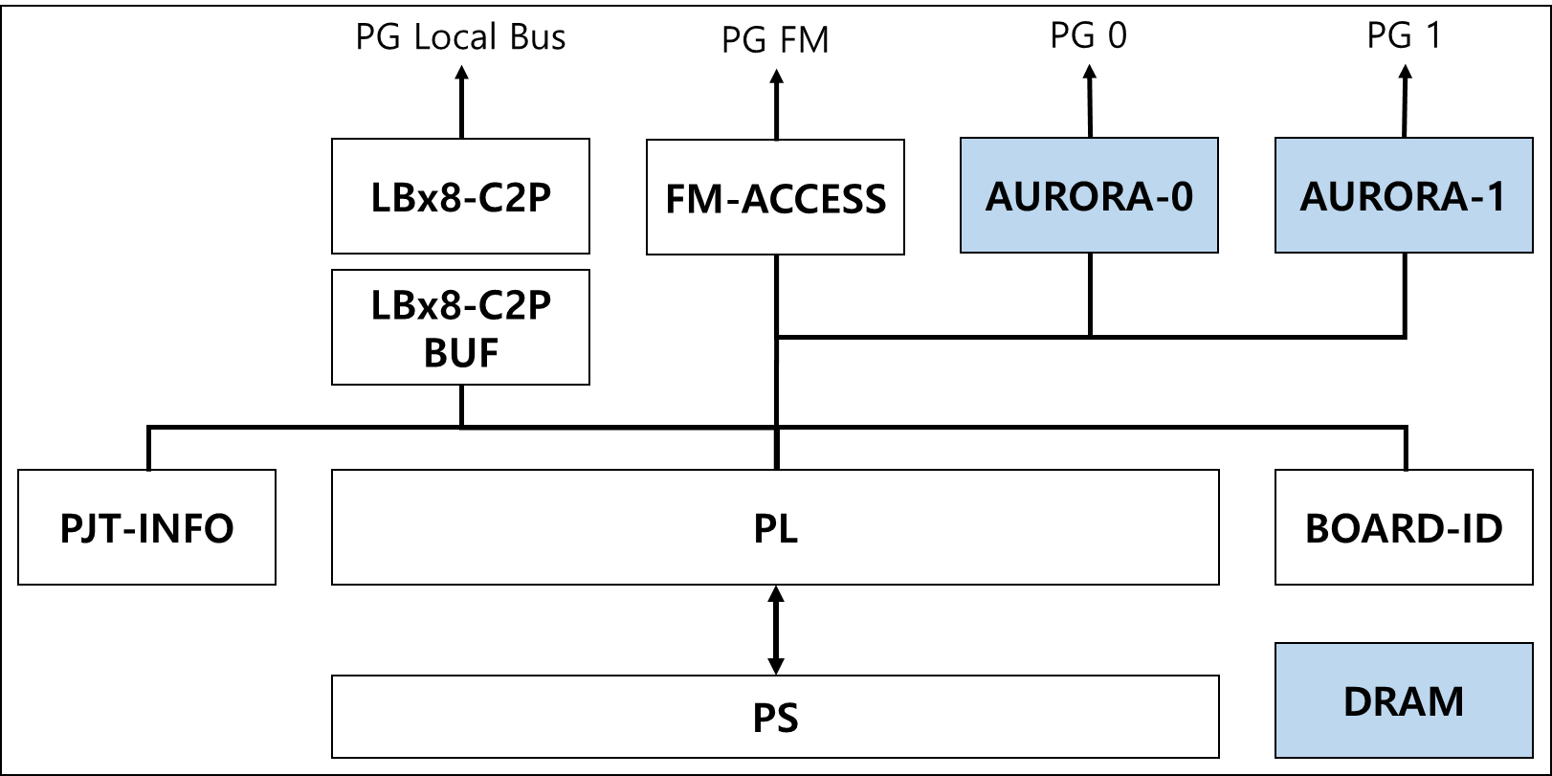
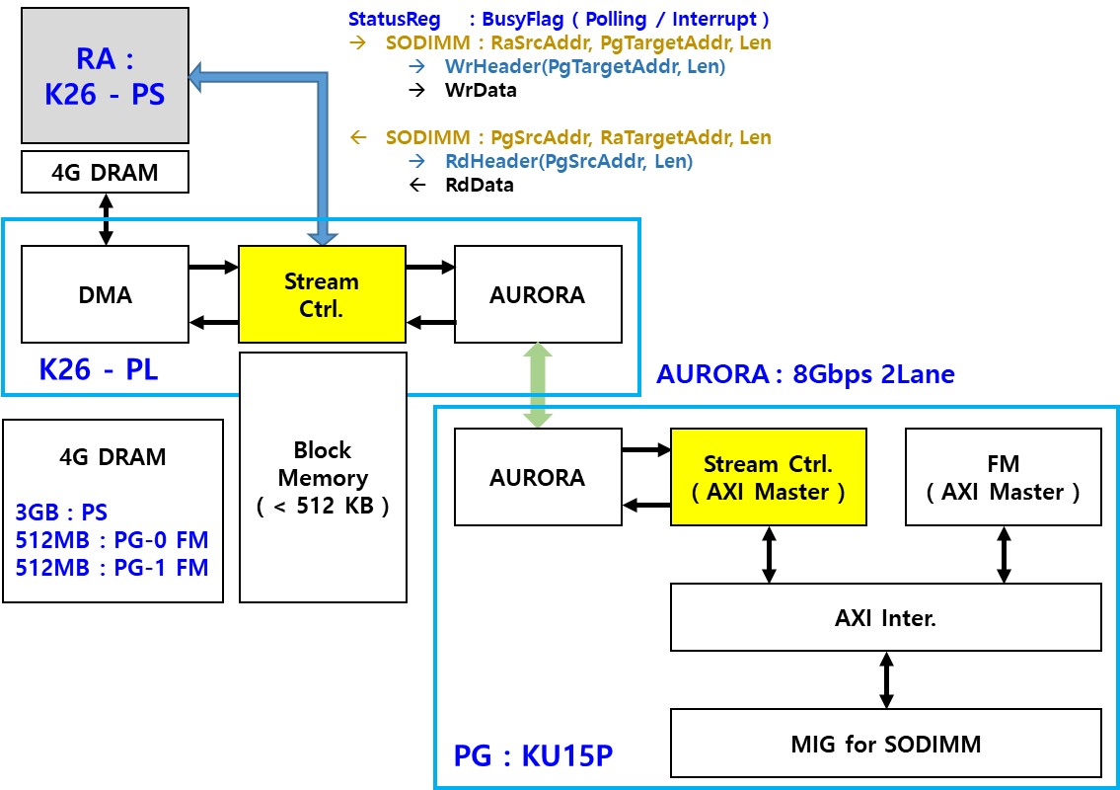

LBx8-C2P
 |  |  |  |  |  | 3 |  |  |  |  |  |  |  | 2 |  |  |  |  |  |  |  | 1 |  |  |  |  |  |  |  | 0
 | DEVICE | BASE | OFFSET | NAME | RW | 31 | 30 | 29 | 28 | 27 | 26 | 25 | 24 | 23 | 22 | 21 | 20 | 19 | 18 | 17 | 16 | 15 | 14 | 13 | 12 | 11 | 10 | 9 | 8 | 7 | 6 | 5 | 4 | 3 | 2 | 1 | 0
0 | LBx8_MASTER @ CTRL to PG | 0000_2 | 000 | NAME | RO | "LBx8-C2P"
1 |  |  | 004 |  | RO
2 |  |  | 008 |  | RO
3 |  |  | 00C |  | RO
4 |  |  | 010 | VERSION | RO |  |  |  |  |  |  |  |  |  |  |  |  |  |  |  |  | MAJOR ( DECIMAL ) |  |  |  |  |  |  |  | MINOR ( DECIMAL )
5 |  |  | 014 | DATE | RO |  |  |  |  |  |  |  |  | YEAR ( DECIMAL ) |  |  |  |  |  |  |  | MONTH ( DECIMAL ) |  |  |  |  |  |  |  | DATE ( DECIMAL )
6 |  |  | 018 | DUMMY | RW
7 |  |  | 01C | DUMMY | RW
8 |  |  | 020 | ADDRESS | RW | ADDR[31:0]
9 |  |  | 024 | CMD | RW | RST |  |  | DDR | MSB[27:26] |  | WR | RD |  |  |  |  | PG.3 | PG.2 | PG.1 | PG.0 | BURST.LENGTH[15:0]
10 |  |  | 028 | LB.CLK.SEL | RW | LB.CLK.SEL
11 |  |  | 02C | LATENCY | RW |  |  |  |  |  |  |  |  |  |  |  |  |  |  |  |  |  |  |  |  |  |  |  |  | READ.LATENCY[7:0]
12 |  |  | 030 | STATUS | RO | PG.3.STATUS |  |  |  |  |  |  |  | PG.2.STATUS |  |  |  |  |  |  |  | PG.1.STATUS |  |  |  |  |  |  |  | WC.E | WD.E | RC.E | RD.E | EOS |  |  | BUSY

- WRITE : multiple FPGA 동시 쓰기 가능
- READ : 하나의 FPGA만 읽기 가능
 |  |  |  |  |  |  | ADDRESS [ 0x0000_2_020 ]
 |  |  |  |  |  |  | ADDR |  | PG_# 32-bit Address, 4GB range

 |  |  |  |  |  |  | CMD [ 0x0000_2_024 ]
 |  |  |  |  |  |  | RST[31] |  | Active high, reset the Logic IP |  |  |  |  |  |  | PG.3~0[19:16] |  |  | PG FPGA Select bit |  |  |  |  |  | BL[15:0] |  | Byte size of transfer data. 0 means 1-Byte, max 63KB
 |  |  |  |  |  |  | DDR.MSB |  | For 16GB SODIMM access
 |  |  |  |  |  |  | WR[25] |  | Active high, do write operation |  |  |  |  |  |  | DDR | MSB[27:26] |  | WR | RD
 |  |  |  |  |  |  | RD[24] |  | Active high, do read operation |  |  |  |  |  |  | 0 | x | x | 1 | 0 | Write PG Register
 |  |  |  |  |  |  |  |  |  |  |  |  |  |  |  | 0 | x | x | 0 | 1 | Read PG Register
 |  |  |  |  |  |  | LB.CLK.SEL [ 0x0000_2_028 ] |  |  |  |  |  |  |  |  | 1 | 0 | 0 | 1 | 0 | Write SODIMM w/ 0x0_0000_0000 ~ 0x0_FFFF_FFFF, lowest 4GB / 16GB
 |  |  |  |  |  |  | 0 |  | 0011 |  |  |  |  |  |  | 1 | 0 | 1 | 0 | 1 | Read SODIMM w/ 0x1_0000_0000 ~ 0x1_FFFF_FFFF
 |  |  |  |  |  |  | 1 |  | 0110, default |  |  |  |  |  |  | 1 | 1 | 0 | 1 | 0 | Write SODIMM w/ 0x2_0000_0000 ~ 0x2_FFFF_FFFF
 |  |  |  |  |  |  | 2 |  | 1100 |  |  |  |  |  |  | 1 | 1 | 1 | 0 | 1 | Read SODIMM w/ 0x3_0000_0000 ~ 0x3_FFFF_FFFF, uppest 4GB / 16GB
 |  |  |  |  |  |  | 3 |  | 1001

 |  |  |  |  |  |  | LATENCY [ 0x0000_2_02C ]
 |  |  |  |  |  |  | RL[7:0] |  | Set as PG Register Read Latency.
 |  |  |  |  |  |  |  |  | Default, RL = 0

 |  |  |  |  |  |  | STATUS [ 0x0000_2_030 ]
 |  |  |  |  |  |  | WC.E[7] |  | LB write command error |  |  |  |  |  |  | EOS[3] |  | 1 indicates the end of operation
 |  |  |  |  |  |  | WD.E[6] |  | LB write data CRC error |  |  |  |  |  |  | BUSY[0] |  | 1 indicates that the IP is BUSY
 |  |  |  |  |  |  | RC.E[5] |  | LB read command error
 |  |  |  |  |  |  | RD.E[4] |  | LB read data CRC error

FM-ACCESS
 |  |  |  |  |  | 3 |  |  |  |  |  |  |  | 2 |  |  |  |  |  |  |  | 1 |  |  |  |  |  |  |  | 0
 | DEVICE | BASE | OFFSET | NAME | RW | 31 | 30 | 29 | 28 | 27 | 26 | 25 | 24 | 23 | 22 | 21 | 20 | 19 | 18 | 17 | 16 | 15 | 14 | 13 | 12 | 11 | 10 | 9 | 8 | 7 | 6 | 5 | 4 | 3 | 2 | 1 | 0
0 | FM-ACCESS @ RA to PG | 0000_C | 000 | NAME | RO | "FM-ACCESS"
1 |  |  | 004 |  | RO
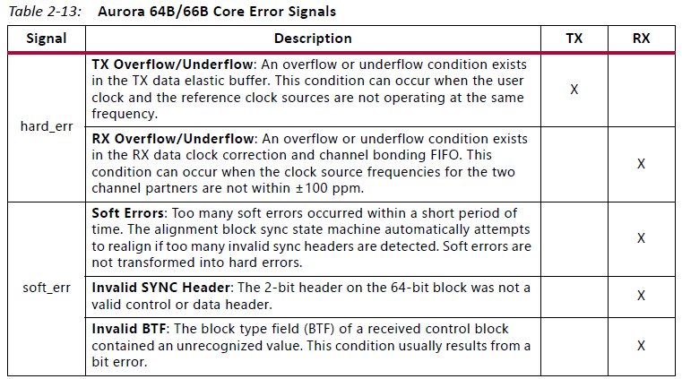
2 |  |  | 008 |  | RO
3 |  |  | 00C |  | RO
4 |  |  | 010 | VERSION | RO |  |  |  |  |  |  |  |  |  |  |  |  |  |  |  |  | MAJOR ( DECIMAL ) |  |  |  |  |  |  |  | MINOR ( DECIMAL )
5 |  |  | 014 | DATE | RO |  |  |  |  |  |  |  |  | YEAR ( DECIMAL ) |  |  |  |  |  |  |  | MONTH ( DECIMAL ) |  |  |  |  |  |  |  | DATE ( DECIMAL )
6 |  |  | 018 | DUMMY | RW
7 |  |  | 01C | DUMMY | RW
8 |  |  | 020 | AURORA.CTRL | RW |  |  |  |  |  |  |  |  |  |  |  |  |  |  |  |  |  |  |  |  |  |  | RST[9:8] |  |  |  |  |  |  |  | EN[1:0]
9 |  |  | 024 | AURORA.STATUS | RO |  |  |  |  |  |  |  |  |  |  |  |  |  |  |  |  |  |  | H.ERR | S.ERR |  |  |  | PG1.LINK |  |  | H.ERR | S.ERR |  |  |  | PG0.LINK
10 |  |  | 028 | RA.ID | RO |  |  |  |  |  |  |  |  |  |  |  |  |  |  |  |  | SITE.ID[15:8] |  |  |  |  |  |  |  |  |  |  |  |  |  | SLOT.ID[1:0]
11 |  |  | 02C
12 |  |  | 030 | PG0.RA.ADDRESS | RW | PG0.RA.MEMORY.ADDRESS[63:0]
13 |  |  | 034 |  | RW
14 |  |  | 038 | PG0.FM.ADDRESS | RW | PG0.FM.MEMORY.ADDRESS[63:0]
15 |  |  | 03C |  | RW
16 |  |  | 040 | PG0.BL | RW | PG0.BYTE.LENGTH[31:0]
17 |  |  | 044 | PG0.CMD | RW |  |  |  |  |  |  |  |  |  |  |  |  |  |  |  |  |  |  |  |  |  |  |  |  | SET |  |  |  |  |  | WR | RD
18 |  |  | 048 | PG0.TRANSFERRED.BYTE | RO | PG0.TRANSFERRED.BYTE[31:0]
19 |  |  | 04C | PG0.STATUS | RO |  |  |  |  |  |  |  |  |  |  |  |  |  |  |  |  |  |  |  |  |  |  |  |  | BUSY |  |  |  |  |  | WR | RD
20 |  |  | 050 | PG1.RA.ADDRESS | RW | PG1.RA.MEMORY.ADDRESS[63:0]
21 |  |  | 054 |  | RW
22 |  |  | 058 | PG1.FM.ADDRESS | RW | PG1.FM.MEMORY.ADDRESS[63:0]
23 |  |  | 05C |  | RW
24 |  |  | 060 | PG1.BL | RW | PG1.BYTE.LENGTH[31:0]
25 |  |  | 064 | PG1.CMD | RW |  |  |  |  |  |  |  |  |  |  |  |  |  |  |  |  |  |  |  |  |  |  |  |  | SET |  |  |  |  |  | WR | RD
26 |  |  | 068 | PG1.TRANSFERRED.BYTE | RO | PG1.TRANSFERRED.BYTE[31:0]
27 |  |  | 06C | PG1.STATUS | RO |  |  |  |  |  |  |  |  |  |  |  |  |  |  |  |  |  |  |  |  |  |  |  |  | BUSY |  | ERR[5:4] |  |  |  | WR | RD

 |  |  |  |  |  |  | AURORA.EN [ 0xXXXX_X_020/021 ] |  |  |  |  |  |  |  |  |  | AURORA.STATUS [ 0xXXXX_X_024/25 ]
 |  |  |  |  |  |  | PG0 |  | 1 for enable AURORA for PG0, default 0 |  |  |  |  |  |  |  | H.ERR[5] |  | 1 indicates that the hw errors are occurred
 |  |  |  |  |  |  | PG1 |  | 1 for enable AURORA for PG1, default 0 |  |  |  |  |  |  |  | S.ERR[4] |  | 1 indicates that the sw errors are occurred
 |  |  |  |  |  |  |  |  |  |  |  |  |  |  |  |  | LINK[0] |  | 1 indicates that link is up

 |  |  |  |  |  |  | PG#.RA.ADDRESS |  |  |  |  |  |  |  |  |  | PG#.ADDRESS
 |  |  |  |  |  |  | for WR |  | RA DRAM source address for sending data |  |  |  |  |  |  |  | for WR |  | PG# SODIMM target address for sending data
 |  |  |  |  |  |  | for RD |  | RA DRAM target address for receving data |  |  |  |  |  |  |  | for RD |  | PG# SODIMM source address for receving data

 |  |  |  |  |  |  | PG#.BL |  |  |  |  |  |  |  |  |  | PG#.CMD
 |  |  |  |  |  |  | Transfering data byte count, 0 means 1 Byte |  |  |  |  |  |  |  |  |  | SET[7] |  | 1 for setting WR/RD command
 |  |  |  |  |  |  | Must be ( 64 * N ) Bytes, Ex: 63, 127, 191, …, MAX 4GB |  |  |  |  |  |  |  |  |  | WR[1] |  | 1 for WR operation
 |  |  |  |  |  |  |  |  |  |  |  |  |  |  |  |  | RD[0] |  | 1 for RD operation
WR/RD operation only can be set when AURORA link is up.
 |  |  |  |  |  |  | PG#.TRNASFERD.BYTE
 |  |  |  |  |  |  | Currently transferred byte count, 0 means 1 Byte

 |  |  |  |  |  |  | PG#.STATUS
 |  |  |  |  |  |  | BUSY[7] |  | 1 indicates BUSY
 |  |  |  |  |  |  |  |  | 0 indicates No Operation
 |  |  |  |  |  |  | ERR[5:4] |  | 0
 |  |  |  |  |  |  |  |  | 1
 |  |  |  |  |  |  |  |  | 2
 |  |  |  |  |  |  |  |  | 3

